Gas Costs (Corolla)
 | Begin here: enter data only in the blue cells. |  |  |  |  | This is how much it costs to drive in the city |  |  |  | This is how much it cost to drive on the highway |  |  | What is the capacity of your gas tank?

Step 1: | What is the mpg for your car? (look it up) |  |  |  |  | distance (km) | Litres used | Cost |  | distance (km) | Litres used | Cost | Gallons | Litres
 |  | mpg |  |  |  | 1 | 0.08 | $0.12 |  | 1 | 0.06 | $0.09 | 13.2 | 49.967412
 |  | city | combined | hwy |  | 2 | 0.17 | $0.24 |  | 2 | 0.13 | $0.18
 | Enter here | 28 | 31 | 37 |  | 3 | 0.25 | $0.37 |  | 3 | 0.19 | $0.28 | Based on combined mpg, with a full tank of gas
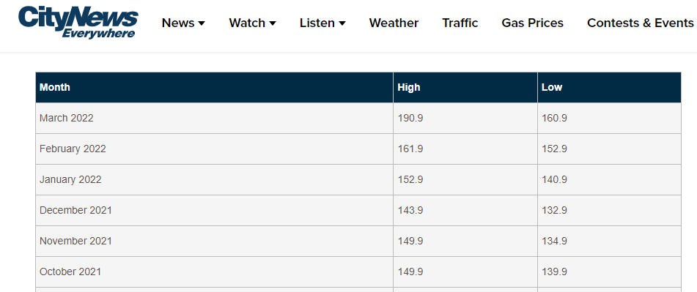
 |  |  |  |  |  | 4 | 0.34 | $0.49 |  | 4 | 0.25 | $0.37 | you should be able to drive
 |  |  |  |  |  | 5 | 0.42 | $0.61 |  | 5 | 0.32 | $0.46 | 658.54 | km
 |  | This is the kpl for your car |  |  |  | 10 | 0.84 | $1.22 |  | 10 | 0.64 | $0.92
 |  | kpl |  |  |  | 20 | 1.68 | $2.44 |  | 20 | 1.27 | $1.84 | With a half tank:
 |  | city | combined | hwy |  | 50 | 4.20 | $6.09 |  | 50 | 3.18 | $4.61 | 329.27 | km
 |  | 11.90 | 13.18 | 15.73 |  | 100 | 8.40 | $12.18 |  | 100 | 6.36 | $9.22
 |  |  |  |  |  | 200 | 16.80 | $24.36 |  | 200 | 12.71 | $18.44 | With a quarter tank:
 | What is the current gas rate? |  |  |  |  | 300 | 25.20 | $36.54 |  | 300 | 19.07 | $27.65 | 164.64 | km
Step 2: | Enter here | $1.45 | per L |  |  | 400 | 33.60 | $48.72 |  | 400 | 25.43 | $36.87
 |  |  |  |  |  | 500 | 42.00 | $60.90 |  | 500 | 31.79 | $46.09 | See the next sheet, "Actual Performance"
 |  |  |  |  |  | 90 | 7.56 | $10.96 |  | 30 | 1.91 | $2.77 | to see how you're doing

 | How much do you drive in one week? (calculate) |  |  |  |  |  | km | Litres used | Cost
 |  | city driving | combined | hwy driving |  | city | 100 | 8.40 | $12.18
 | Enter here | 15 | 50 | 35 |  | combined* | 50 | 3.79 | $5.50
 |  |  |  |  |  | hwy | 35 | 2.23 | $3.23
Step 3:
 | Litres used | 1.26 | 3.79 | 2.23 |  | *the term "combined" appears to average out city and highway driving,
 |  |  |  |  |  | assuming 50% of your driving distance is in the city and the other 50% is on the highway

 |  | 1 mile |  |  |  | Many other factors are involved in mileage such as style of driving, speeds at which you were driving, and idling (during rush hour),
 | = | 1.6093444979 | km |  |  | which were not taken into account in these calculations.

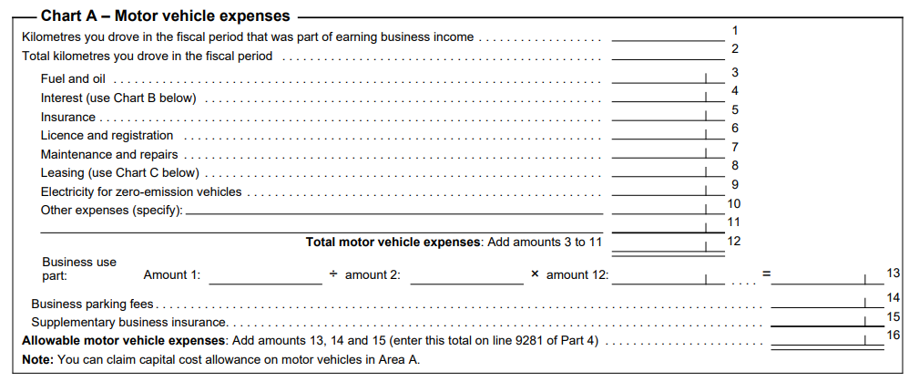

 |  |  |  |  |  | Roughly, Corolla is using $1 of gas per 10 km while driving city

 |  |  |  |  |  | Doordash offer
 |  |  |  |  | miles
 |  |  |  |  | 10.9 | 17.54 | miles |  | $9.50 | pay
 |  |  |  |  |  | 35.08 | km

 |  |  |  |  | hwy | $3.23 | gas used |  | $6.27 | net pay

